Sheet1
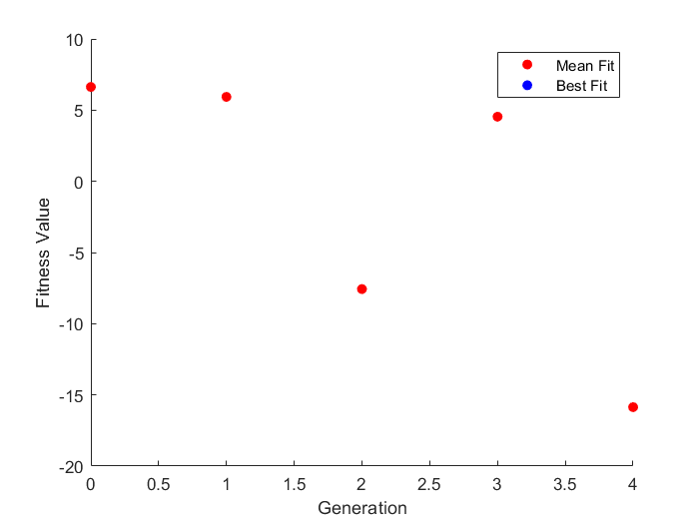
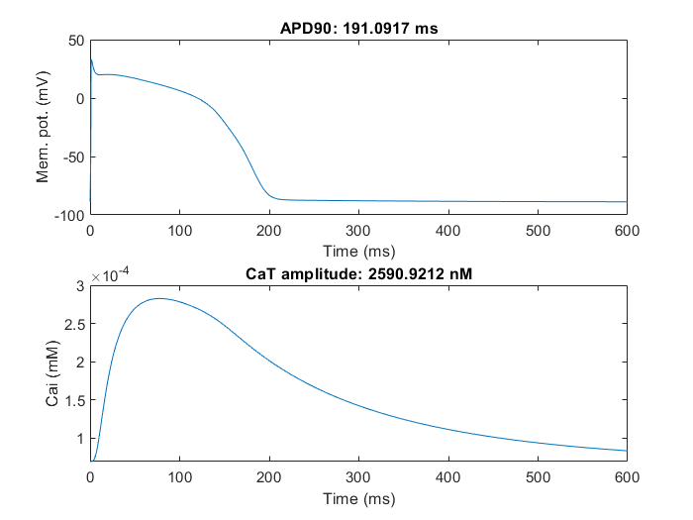
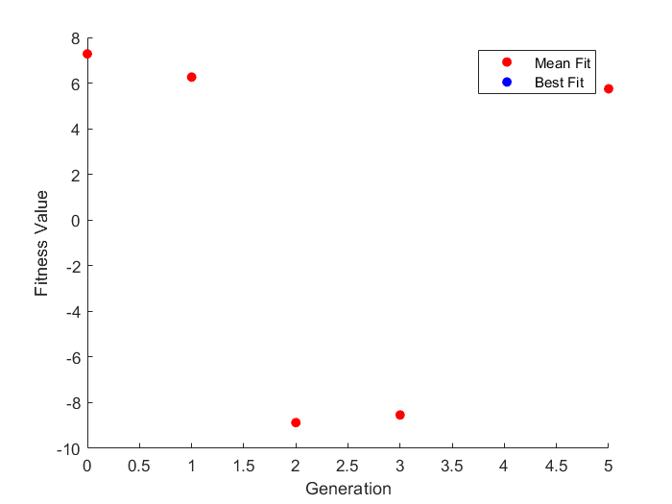
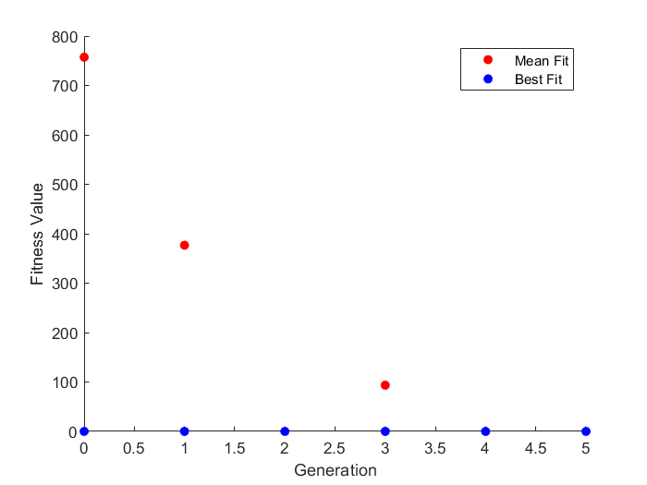
errors= (Amp(2)-Amp(1))^2;
Trial 1 |  |  |  |  | Trial 2
ICaL | Ikr | Iks | INaL | Jup | ICaL | Ikr | Iks | INaL | Jup
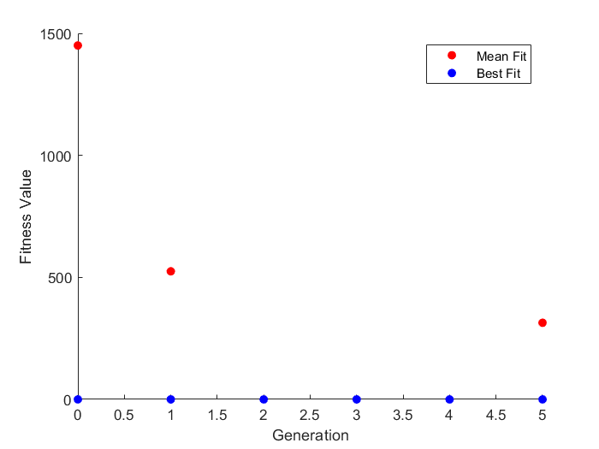
-0.066875497898 | -0.53713506529 | 0.36501955857 | 0.11656201372 | -0.67018052625 | -0.18609746652 | 0.48978674387 | -0.49084572842 | -0.48740721428 | -0.12093276554
0.93531164235 | 0.58442018191 | 1.4405421828 | 1.1236271886 | 0.5116162093 | 0.83019267505 | 1.6319681556 | 0.61210849767 | 0.61421686414 | 0.88609353361

0.32461108375 | 0.6768956939 | -0.4000674859 | -0.28261400834 | -0.24616866603 | -0.18609746652 | 0.48978674387 | -0.49084572842 | -0.48740721428 | -0.12093276554
0.63535897305 | 0.46207589765 | 0.3456448128 | 0.36815866772 | -0.30525539112 | -0.43775446664 | 0.1876357548 | -0.61734566846 | -0.68224477926 | -0.1539606021
0.32461108375 | 0.6768956939 | 0.5999325141 | -0.28261400834 | -0.24616866603 | -0.18609746652 | 0.64758163527 | 0.54057202692 | 0.13798786966 | -0.12093276554
0.56539920671 | 0.6768956939 | -0.015344934568 | -0.28261400834 | -0.24616866603 | -0.18609746652 | 0.48978674387 | -0.49084572842 | -0.48740721428 | -0.12093276554
0.32461108375 | 0.6768956939 | 0.5999325141 | -0.28261400834 | -0.24616866603 | 0.52154314923 | 0.64758163527 | 0.54057202692 | 0.13798786966 | -0.12093276554
0.32461108375 | 0.6768956939 | 0.5999325141 | -0.28261400834 | -0.24616866603 | -0.18609746652 | 0.48978674387 | -0.49084572842 | 0.13798786966 | -0.12093276554
0.32461108375 | 0.6768956939 | -0.4000674859 | -0.28261400834 | -0.24616866603 | -0.18609746652 | 0.64758163527 | 0.54057202692 | 0.13798786966 | -0.12093276554
0.32461108375 | 0.6768956939 | -0.4000674859 | -0.28261400834 | -0.24616866603 | -0.18609746652 | 0.48978674387 | -0.49084572842 | -0.48740721428 | -0.12093276554
0.32461108375 | 0.5831456939 | -0.2750674859 | -0.36073900834 | -0.24616866603 | -0.18609746652 | 0.1876357548 | 0.54057202692 | 0.13798786966 | -0.12093276554
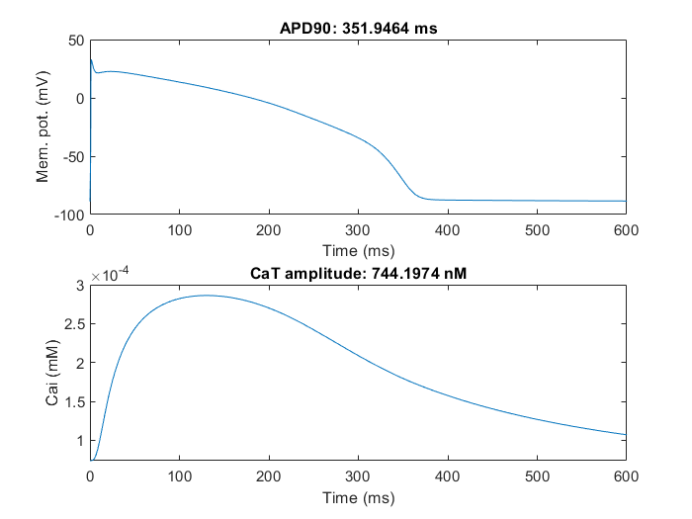
 |  |  |  |  | -0.42212946664 | 0.062635754798 | -0.61734566846 | -0.68224477926 | -0.1539606021

